Sheet1
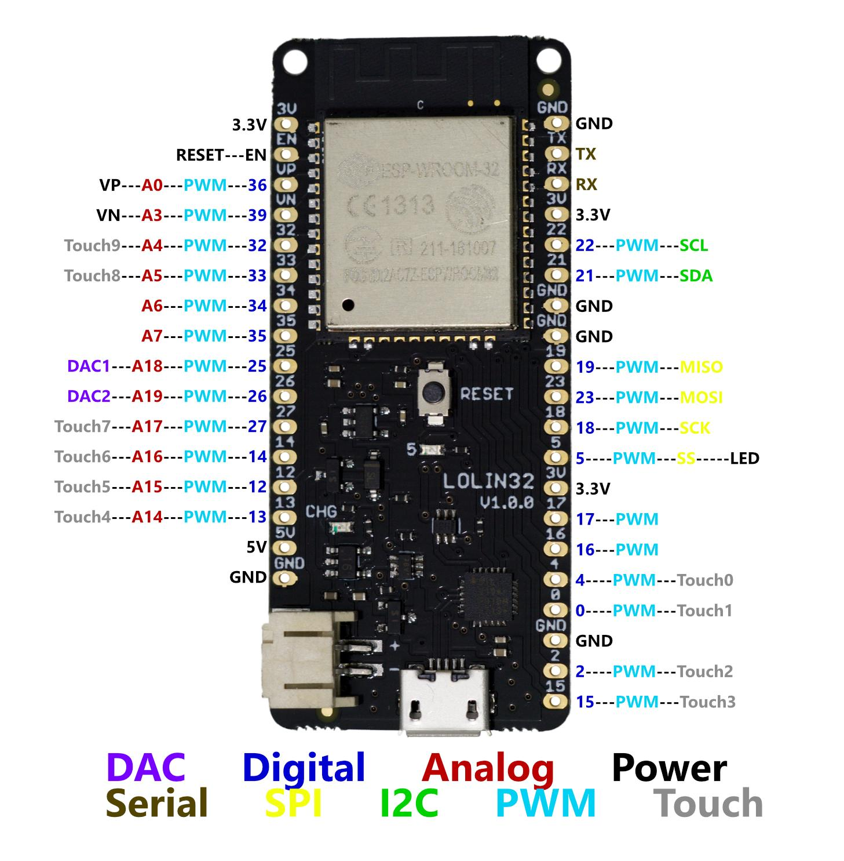

 |  | ESP32 Lolin32
 | Connection | Pin Label | Pin Label
 | 3.3V rail | 3V | GND
 |  | EN | TX
 |  | VP | RX
 |  | VN | 3V
 | Analog distance signal | 32 | 22 | SCL out to QWIIC | QWIIC pin 4 | I2C
 | Touch input | 33 | 21 | SDA out to QWIIC | QWIIC pin 3
 | battery voltage sense | 34 | GND |  | GND
 | Tactile button input | 35 | GND |  | VCC
 | charging /5v digital sense | 25 | 19 | MISO to screen2 |  | SPI
 |  | 26 | 23 | MOSI to screen2
 | Touch input | 27 | 18 | SCK to screen2
 |  | 14 | 5 | SS to screen2
 |  | 12 | 3V
 |  | 13 | 17 | NEO Pixel output
 |  | 5V | 16
 |  | GND | 4
 |  |  | 0
 |  |  | GND
 |  |  | 2
 |  |  | 15

The pins marked SCL and SDA (on other SPI displays sometimes labeled as SCLK and MOSI, respectively)

